Sheet
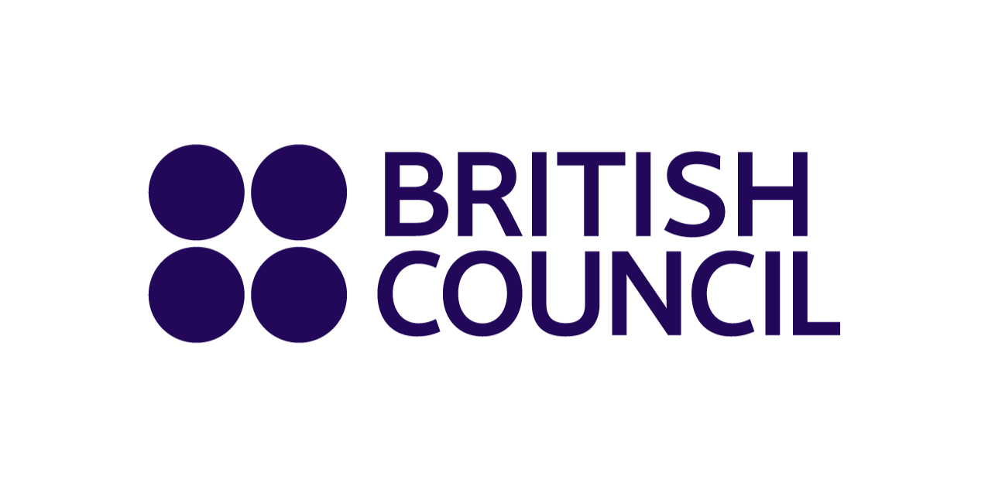
 |  |  |  | Examinations Services
 |  |  |  | 5 Fuller Rd, Dhaka 1000
 |  |  |  | T: +880 9666773377
 |  |  |  | Email: bd.enquiries@britishcouncil.org
 |  |  |  | http://www.britishcouncil.org.bd

 | Cambridge International Examinations - 2023-04-24
 | Abdul Kadir Molla International School
 | Room - Afternoon
 | Date: 2023-04-24
 | Subject: Bengali

 |  | Invigilator Desk | Clock
 | Column 1 | Column 2 | Column 3
 |  | 9095
 |  | 9096
 |  | 9097 | 9107
 |  | 9099 | 9105
 |  | 9101
 |  | 9104

Entry / Fire Exit

Total candidate |  | 8

